Sheet1
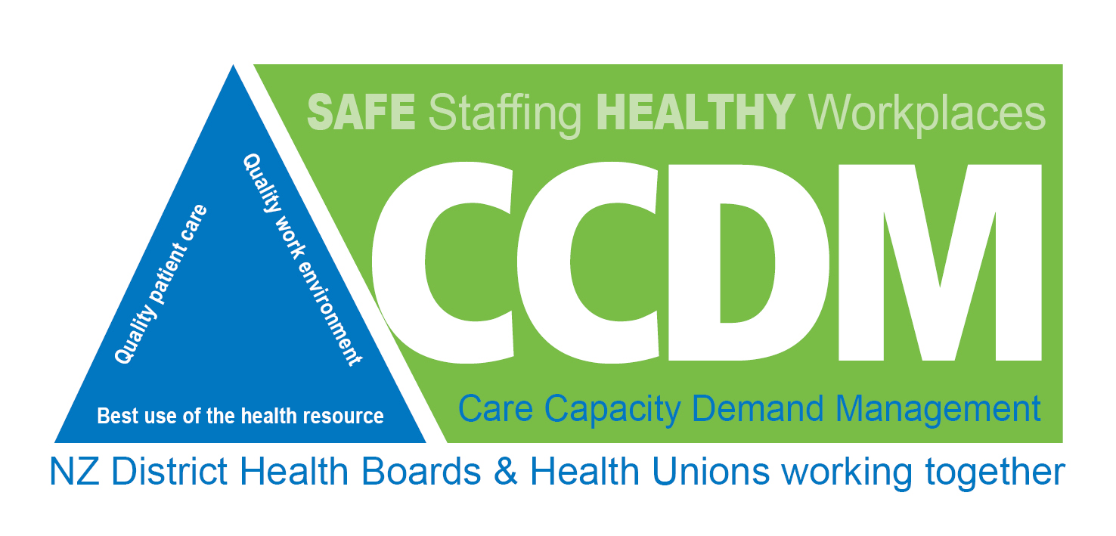

 |  | Purpose of this document is to ensure the quality of the CCDM programme components meets the NZ National Guidelines and the validity of the data will enhance the care provided and data available

 |  |  |  |  |  | Implementation percentage for each standard
Assessor: |  | Date of Review: |  |  | Scoring | Standard One | 95% | 1
 |  |  |  | Number of criteria Fully Attained items (max 22) | 21 | Standard Two | 100% | 1
DHB: |  | Assessment Date: |  | All criteria Partially Attained or better | NO | Standard Three | 100% | 1
 |  |  |  | All Non-Negotiables Attained min of 85% per standard | YES | Standard Four | 100% | 1
 |  | Assessment Date: |  |  |  | Standard Five | 100% | 1
 |  |  |  |  | Full Implementation achieved | Fully Implemented |  | 5

Within each standard there are criteria deemed to be non-negotiable, i.e. must be met to achieve the Standard. To achieve Fully Attained for the standard , each standard criterion must achieve some score, with an overall score of 85%

Assessors - Add your comments and recommendations in the box and select the result using the drop down box in the 'Results' column

Standard One: The CCDM governance councils (organisation and ward/unit) ensure that care capacity demand management is planned, coordinated and appropriate for staff and patients
Criteria |  | Possible Measures | Assessor's comments and recommendations |  | Potential Evidence | Status | Result | Points scored | Maximum Points
1.1 | The purpose, values, scope and direction of the organisation’s CCDM council and ward/unit local data councils is clearly identified and regularly reviewed | Council ToR includes a purpose statement |  |  | Review of TOR |  |  | 0 | 5
 |  | Council ToR reviewed within the last 12 months |  |  | Record in Minutes
 |  | ToR for sample (Note 1) LDCs include a purpose statement |  |  | Review of TOR
 |  | ToR for LDCs reviewed within last 12 months |  |  | Record in minutes
1.2 | Permanent governance for CCDM is established for the organisation and for each ward/unit | Council ToR includes required membership (Note 2) |  |  | Review of TOR | Non-Negotiable | Fully Attained | 60 | 60
 |  | ToR expect qualified & experienced leadership (Note 3) |  |  | Review of TOR
 |  | Council has a documented work/action plan which is reviewed each meeting |  |  | Review document
 |  | ToR for LDCs includes required membership (Note 4) |  |  | Review of TOR
 |  | ToR expects qualified & experienced leadership (Note 5) |  |  | Review of TOR
 |  | A sample of LDCs have documented work/action plans which are reviewed at each LDC meeting |  |  | Review document
1.3 | Permanent governance for CCDM is effective and operational for: a) CCDM council and b) local data councils | Council minutes show meetings minimum quarterly |  |  | Review of minutes |  | Fully Attained | 25 | 25
 |  | Council minutes show regular attendance of key members |  |  | Review of minutes
 |  | Council minutes include issues, actions, and resolutions |  |  | Review of minutes
 |  | Council minutes include account of partnership checks (Note 6) |  |  | Review of minutes
 |  | Council minutes provide audit trail of CCDM implementation across the inpatient wards/units. |  |  | Review of minutes
 |  | Council provides written CCDM updates to all staff at a minimum quarterly |  |  | View updates
 |  | DHB Board agenda & minutes show CCDM related updates - service quality and workforce health & safety |  |  | View agenda/minutes
 |  | LDC meeting agendas & minutes, for random sample, show meetings held at minimum quarterly |  |  | Review of minutes
 |  | LDC minutes show regular attendance of key members |  |  | Review of minutes
 |  | LDC minutes include issues, actions and resolutions |  |  | Review of minutes
 |  | LDC minutes include outcome of partnership checks |  |  | Review of minutes
1.4 | The CCDM council and ward/unit local data councils establish, monitor and act on CCDM data for continuous quality improvement. | Council has access to reliable and valid CCDM data (Note 7) |  |  | Interview of members |  | Fully Attained | 10 | 10
 |  | Council meeting agendas and minutes reflect the use of CCDM data to influence Council decision-making |  |  | Examples cited from minutes
 |  | Council monitors use of the CCDM data across the organisation |  |  | Outcome recorded in minutes
 |  | LDC meeting agendas and minutes reflect the use of CCDM data to influence ward/unit decision-making |  |  | Examples cited from minutes
Additional Notes
Standard Two: The validated patient acuity tool underpins care capacity demand management for service delivery
Criteria |  | Possible Measures | Assessor's comments and recommendations |  | Potential Evidence | Status | Result | Points scored | Maximum Points
2.1 | There is a Validated Patient Acuity Committee that is effective and operational | The DHB has an operational level committee whose responsibilities include authority & accountability for the implementation and utilisation of TrendCare (Note 8) |  |  | Named in self- assessment documentation |  | Fully Attained | 5 | 5
 |  | This committee has an annual documented workplan which guides the implementation & utilisation of TrendCare |  |  | View document
 |  | This committee’s minutes show reviews of data integrity at least every six months |  |  | View record in minutes
 |  | Reports from this committee are on the Council’s agenda at a minimum quarterly |  |  | Review Council agendas
2.2 | There is dedicated coordinator FTE for managing the validated patient acuity system | Dedicated co-ordinator position/s, relative to DHB size (Note 9), lead the operational aspects of implementing & utilising TrendCare |  |  | Meeting with incumbent/s |  | Fully Attained | 15 | 15
 |  | Co-ordinator/s are required to have knowledge, skills, and abilities (Note 10) to lead the implementation & utilisation of TrendCare |  |  | Review of position description
 |  | The DHB has a strategy for recruitment & orientation of Co-ordinator position for when a vacancy occurs |  |  | Review strategy
 |  | Co-ordinator/s are tangibly supported by the responsible Committee and the Council |  |  | Interview incumbent/s
 |  | Staff training & education on all aspects of patient acuity is scheduled, delivered, and evaluated |  |  | View training plan
2.3 | The patient acuity system is supported and prioritised as a critical ‘service delivery’ IT system | System upgrades are scheduled & resourced with installation within 3 months of release |  |  | View work plan & interviews |  | Fully Attained | 20 | 20
 |  | Training is provided to staff at induction & for upgrades |  |  | View workplan, training records & interviews
 |  | IT expertise rates TrendCare as a Tier 1 system and supports electronic display of patient acuity data |  |  | Interview IT user group
 |  | Interfaces with other IT systems exist, or are scheduled |  |  | Interview IT user group
2.4 | There are processes in place to ensure the validated patient acuity system is used accurately and consistently | Line managers from a sample of wards/units can show audits of data accuracy at least quarterly |  |  | Review audit documentation | Non negotiable | Fully Attained | 35 | 35
 |  | Worked rosters (Note 11) from a sample of ward/units are accurately recorded in the acuity system |  |  | View rosters in the system
 |  | IRR testing results, from a sample of wards/units, show annual testing systems in place |  |  | View IRR results
 |  | HPPD from a sample of patient types have been checked against benchmark (Note 12) within the previous 12 months |  |  | Review audit documentation
 |  | Use of system assessed against vendor standards within the last 12 months |  |  | Review audit documentation
2.5 | Business Rules are clearly defined and in use to ensure consistent use of the system | Acuity system business rules (Note 13) are documented and have been reviewed within the last 12 months |  |  | Review rules |  | Fully Attained | 5 | 5
 |  | Sampled wards/units can show understanding and compliance with business rules |  |  | Interview staff
2.6 | Validated patient acuity data is utilised in daily operational and annual planning activities | Daily operational meetings use validated patient acuity data to manage staff allocation across wards/units for the next 24 hours |  |  | Attend meeting/s |  | Fully Attained | 20 | 20
 |  | The DHB’s annual planning process shows that validated patient acuity data is used to identify staff required over the next 12 months |  |  | Review planning process
 |  | Patient acuity measures are included in the core data set |  |  | Review CDS
Additional Notes
Standard Three: The organisation uses a balanced set of CCDM measures (core data set) to evaluate the effectiveness of care capacity and demand management over time and to make improvements
Criteria |  | Possible Measures | Assessor's comments and recommendations |  | Potential Evidence | Status | Result | Points scored | Maximum Points
3.1 | The council has the authority, accountability and responsibility for setting, implementing and monitoring the Core Data Set | A Council approved CDS is utilised across the organisation, including the CCDM mandated metrics |  |  | Examples cited from minutes See 1.4 |  | Fully Attained | 10 | 10
 |  | The Council minutes record regular monitoring of the collection and use of the CDS |  |  | See 1.4
3.2 | The Core Data Set is used to evaluate the effectiveness of care capacity demand management in the DHB and make improvements | The DHB can show examples of: • improvements to a patient care process/system • changes to workforce management/environment • efficiencies across wards/units attributable to CCDM (Note 14) |  |  | Examples cited in self- assessment documentation |  | Fully Attained | 35 | 35
3.3 | The Core Data Set is monitored, reported and actioned at ward/unit, directorate and hospital wide level | Selected wards/units can show use of the CDS (Note 14) |  |  | Examples cited in self- assessment | Non-negotiable | Fully Attained | 45 | 45
 |  | Executive management team minutes show reporting of measures from the CDS |  |  | View minutes
 |  | The DHB has a plan in place to advance reporting to ELT and /or Board on the CDS measures and the improvements initiated as a result |  |  | View plan and reporting to ELT
3.4 | The organisation annually reviews the relevance, frequency and effectiveness of the Core Data Set. Reporting on progress with quality improvement | The Council, or designated group, (Note 15) minutes show the outcome of a review of each CDS measure within the previous 12 months |  |  | View Council minutes |  | Fully Attained | 10 | 10
 |  | DHB reports to the Board show examples of: • improvements to a patient care process/system • changes to workforce management/environment • efficiencies across wards/units resulting from CCDM |  |  | View Board or its subcommittee minutes
Additional Notes
Standard Four: A systematic process is used to establish and budget for staffing FTE, staff mix and skill mix for to ensure the provision of timely, appropriate and safe services
Criteria |  | Possible Measures | Assessor's comments and recommendations |  | Potential Evidence | Status | Result | Points scored | Maximum Points
4.1 | The organisation has staffing budget setting procedures in place that are reviewed annually by the CCDM council | CCDM annual methodology (Note 16) is used to determine the number of FTE staff required to meet validated patient needs |  |  | Review budget process |  | Fully Attained | 5 | 5
 |  | CCDM annual methodology is used to determine the mix of skills required to provide validated patient need effectively and efficiently |  |  | View minutes
4.2 | The organisation uses the CCDM staffing methodology to establish staffing numbers, staff and skill mix for each ward/unit that uses a validated patient acuity system | CCDM annual methodology (Note 16) is used to determine the number of FTE staff required to meet validated patient needs |  |  | Review of the process | Non-negotiable | Fully Attained | 60 | 60
 |  | CCDM annual methodology is used to determine the mix of skills required to provide validated patient need effectively and efficiently |  |  | Review of the process
4.3 | Budget holders are involved annually in setting the roster model, FTE and budget | DHB’s budgeting process (4.1) includes active involvement of the nursing and midwifery budget holders |  |  | Interview participants or view attendance records |  | Fully Attained | 5 | 5
 |  | Selected budget holders report actively influencing the roster model (Note 17), the FTE calculations and the budgeting decisions |  |  | Interviews
4.4 | The roster model provides the best match of staffing to patient demand | There is a documented roster model for each ward/unit |  |  | View model |  | Fully Attained | 20 | 20
 |  | Selected roster models reflect the outcomes from the FTE calculations for the selected wards/units |  |  | Review of the process and roster
 |  | Selected posted rosters (Note 18) show minimal variance from roster model for selected wards/units |  |  | Review comparisons
 |  | The tolerance deficit (Note 19), agreed by all partners, is in the business rules (Note 20) and adhered to for a selection of ward/units as per the DHB’s policy |  |  | Review variances against policy
4.5 | The organisation regularly evaluates the adequacy of staffing levels/mix and acts on the findings | The DHB has a process for regularly reviewing if staff numbers and mix were able to meet patient need |  |  | Review process Interview DON & DOM |  | Fully Attained | 10 | 10
 |  | The DHB has a process for hearing and managing staff concerns about staffing levels |  |  | Review process Review process Review process & Interviews View examples
 |  | Through the FTE calculation process the DHB can show examples of responses to demonstrated mismatch between staffing and the validated patient needs |  |  | View pre and post FTE calculation examples
Additional Notes
Standard Five: The DHB uses a variance response management system to provide the right staff numbers, mix and skills at all times for effective patient care delivery
Criteria |  | Possible Measures | Assessor's comments and recommendations |  | Potential Evidence | Status | Result | Points scored | Maximum Points
5.1 | There is an integrated operations centre where hospital-wide care capacity and patient demand is visible in real time 24/7 | The DHB has an IOC from which hospital wide patient flow, bed capacity and staff availability is managed |  |  | Visit IOC |  | Fully Attained | 30 | 30
 |  | Real time patient needs and staff capacity is visible 24 hours a day, seven days a week |  |  | Review of CAG Screen
5.2 | There is a suitably qualified and/or experienced person with authority, accountability and responsibility for managing staffing and patient flow 24/7 | A senior manager has authority and accountability for management of the staff and for effective delivery of the functions assigned to the IOC |  |  | Interview incumbent | Non-negotiable | Fully Attained | 40 | 40
 |  | Suitably knowledgeable and experienced staff (Note 21) have responsibility for hourly monitoring and management of hospital wide patient flow, bed capacity and staff availability |  |  | Review system
5.3 | The organisation consistently matches staffing resource with patient demand on a shift by shift basis | The DHB has a formal process in place to recognise potential variances between care needed and staff available over the next 24 hours |  |  | Review process or attend meeting |  | Fully Attained | 30 | 30
 |  | The DHB has an established process for responding to actual variances between care needed and staff availability and can show examples of recent responses |  |  | Review process & examples provided in self- assessment
 |  | The DHB maintains a documented record of its responses to variances |  |  | Review record
 |  | Time lapse between the organisation moving from orange to green is recorded and is showing a downward trend |  |  | Review record
 |  | Selection of wards/units have formal systems in place to respond to variances |  |  | Review systems
Additional Notes
Summary Section

Partnership Training completed
 |  |  |  |  |  | Total score | 495 |  | 495

