Read 1st
FTE calculation - data request schedule
The data request schedule for the FTE calculation is designed to help you:
1. Manage data requests from multiple sources.
2. Gather all the data needed for the software and the report in one place.
3. Sequence the data in a way that makes it easy to transcribe it into the software.
The data request schedule can be used by the DHB Site Coordinator in preparation for running an FTE calculation. The excel spreadsheet is designed to be customised for the DHB and facilitate the tracking of data requests and receipts (see Schedule tab). Specific staff names can be entered in the 'source' column and then 'filtered' just for that person. This enables a customised data request to be sent to specific individual/s for completion. Data can then be transcribed into the software. Further guidance can be found in the software user guide.
The data request schedule should be started about one month prior to entering the data into the software.
It is not mandatory to use the data request schedule. The excel spreadsheet contains some basic formulas so you need to be confident using excel, as the accuracy of the results can not be guaranteed with different users. If you are not confident using Excel you may prefer to collect the hard copy information and populate the software directly instead.

Example 1
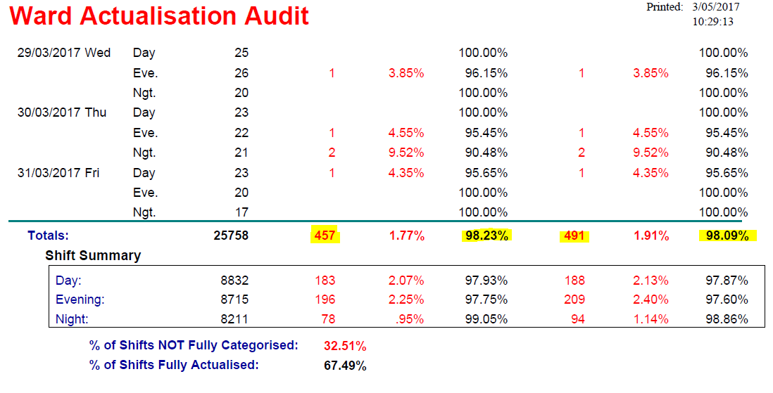
Example: Ward Actualisation Audit

This is a copy of the last page of a Ward Actualisation Audit Report. The data range is the financial year.
The figures highlighted in the Totals row shows the:
 | 1. Number of patients that were never categorised (n = 457) and never actualised (n = 491), includes those that were not categorised).
 | 2. Percentage of patients that were categorised 98.23% (100 - [457/25758 X 100]). This is the figure to enter into the software.
 | 3. Percentage of patients that were actualised 98.09% (100 - [491/25758 X 100]). This is the figure to enter into the software.
Anything less than 100% may be cause for concern. The number of patients with missing data is important as is which shift the data is missing from.
Missing data means the FTE calculation may underestimate the recommended roster and therefore the required FTE.
Missing data may impact on your decision to proceed with the FTE calculation or the selection of the recommended roster.

